Sheet1
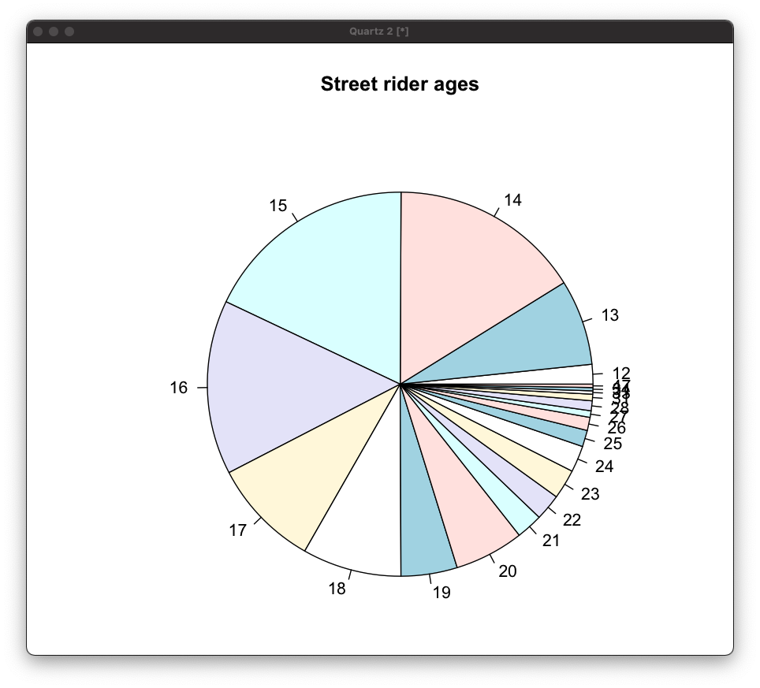
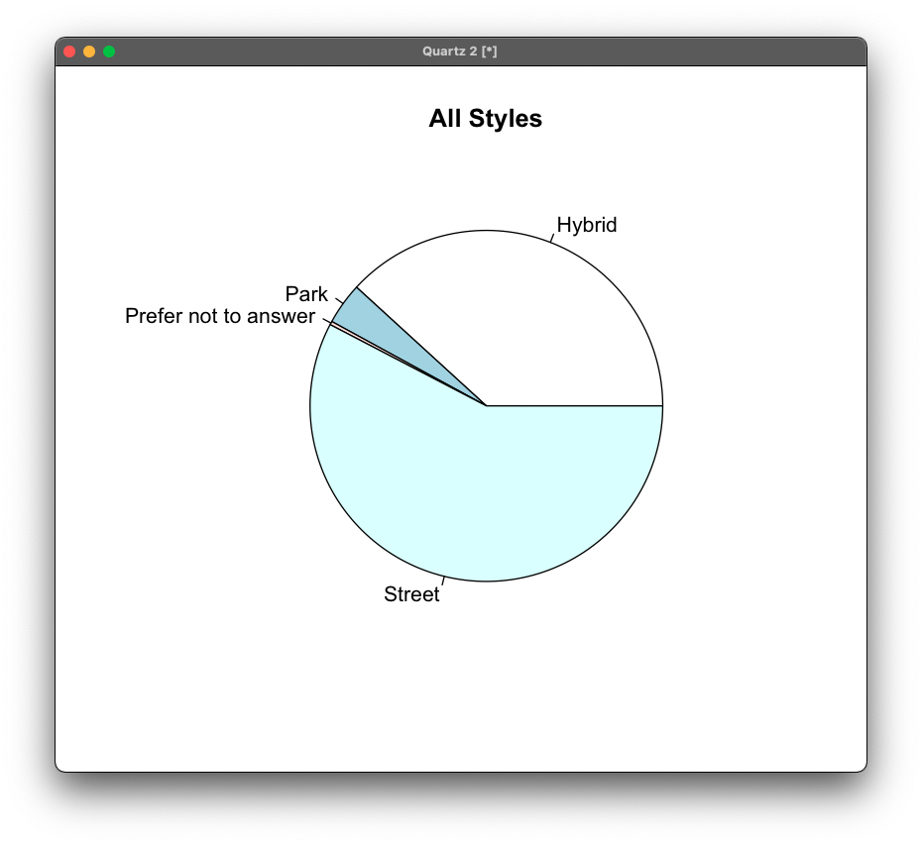
 |  |  | PARK |  |  |  |  |  | HYBRID |  |  |  |  |  | STREET
RIDER HEIGHT | BAR HEIGHT | BAR WIDTH | DECK LENGTH | DECK WIDTH |  | RIDER HEIGHT | BAR HEIGHT | BAR WIDTH | DECK LENGTH | DECK WIDTH |  | RIDER HEIGHT | BAR HEIGHT | BAR WIDTH | DECK LENGTH | DECK WIDTH
<48" |  |  |  |  |  | <48" |  |  |  |  |  | <48" | 25 | 21 | 21 | 5.5
48"-52" |  |  |  |  |  | 48"-52" |  |  |  |  |  | 48"-52"
52"-56" | 17 | 17 | 19.5 | 4 |  | 52"-56" | 26 | 22 | 20 | 5 |  | 52"-56" | 23.3 | 21.3 | 20.5 | 5.5
56"-60" |  |  |  |  |  | 56"-60" | 27.5 | 23.8 | 21.3 | 5.6 |  | 56"-60" | 25 | 20.7 | 21.1 | 5.6
60"-64" | 22.7 | 23.3 | 21.3 | 5.2 |  | 60"-64" | 23 | 21.3 | 21 | 5.2 |  | 60"-64" | 25.5 | 22.7 | 21.8 | 5.7
64"-68" | 23.6 | 22.7 | 19.9 | 4.8 |  | 64"-68" | 25.7 | 22.5 | 21.4 | 5.4 |  | 64"-68" | 26 | 22.9 | 22.3 | 5.8
68"-72" | 24.7 | 22 | 20 | 4.8 |  | 68"-72" | 27 | 22.8 | 21.7 | 5.5 |  | 68"-72" | 27 | 20.7 | 21.1 | 5.6
>72" | 26.6 | 24.3 | 21.7 | 5 |  | >72" | 28.3 | 23 | 22.1 | 5.7 |  | >72" | 28 | 23.3 | 22.58 | 6
Street
Park
Hybrid

PARK DECK WIDTH
HYBRID DECK WIDTH
STREET DECK WIDTH

 |  |  |  |  |  |  |  |  |  |  |  |  |  |  |  |  | 624 Participants

 |  |  |  |  |  |  |  |  |  |  |  |  |  |  |  |  | 361 Street
 |  |  |  |  |  |  |  |  |  |  |  |  |  |  |  |  | 239 Hybrid
 |  |  |  |  |  |  |  |  |  |  |  |  |  |  |  |  | 24 Park

 |  |  |  |  |  |  |  |  |  |  |  |  |  |  |  |  |  | 6

for box plots |  |  |  |  | for deck box plots |  |  |  |  |  | WHEEL SIZES

 |  |  | STREET |  | STREET |  |  |  |  |  |  | STREET
RIDER HEIGHT | BAR HEIGHT | BAR WIDTH | DECK LENGTH |  | RIDER HEIGHT | DECK WIDTH |  | sample size | RIDER HEIGHT | % riding 24x110 | % riding 24x120 | % riding 30x120 | % riding "other"
<48" | 25 | 21 | 21 |  | <48" | 5.5 |  | 1 | <48" | 100 | 0 | 0 | 0
52"-56" | 23.3 | 21.3 | 20.5 |  | 52"-56" | 5.5 |  | 3 | 52"-56" | 33 | 33 | 0 | 33
56"-60" | 25 | 20.7 | 21.1 |  | 56"-60" | 5.6 |  | 7 | 56"-60" | 42 | 42 | 16 | 0
60"-64" | 25.5 | 22.7 | 21.8 |  | 60"-64" | 5.7 |  | 24 | 60"-64" | 75 | 8 | 4.5 | 12.5
64"-68" | 26 | 22.9 | 22.3 |  | 64"-68" | 5.8 |  | 326 | 64"-68" | 63 | 10 | 20 | 7
68"-72" | 27 | 20.7 | 21.1 |  | 68"-72" | 5.6 |  | 7 | 68"-72" | 42 | 42 | 16 | 0
>72" | 28 | 23.3 | 22.58 |  | >72" | 6 |  | 100 | >72" | 55 | 7 | 31 | 7

 |  |  | HYBRID |  | HYBRID |  |  |  |  |  |  | Hybrid
RIDER HEIGHT | BAR HEIGHT | BAR WIDTH | DECK LENGTH |  | RIDER HEIGHT | DECK WIDTH |  | sample size | RIDER HEIGHT | % riding 24x110 | % riding 24x120 | % riding 30x120 | % riding "other"
52"-56" | 26 | 22 | 20 |  | 52"-56" | 5 |  | 2 | 52"-56" | 50 | 50 | 0 | 0
56"-60" | 27.5 | 23.8 | 21.3 |  | 56"-60" | 5.6 |  | 6 | 56"-60" | 83 | 17 | 0 | 0
60"-64" | 23 | 21.3 | 21 |  | 60"-64" | 5.2 |  | 12 | 60"-64" | 75 | 17 | 8 | 0
64"-68" | 25.7 | 22.5 | 21.4 |  | 64"-68" | 5.4 |  | 60 | 64"-68" | 56 | 18 | 13 | 13
68"-72" | 27 | 22.8 | 21.7 |  | 68"-72" | 5.5 |  | 108 | 68"-72" | 66 | 12 | 18 | 4
>72" | 28.3 | 23 | 22.1 |  | >72" | 5.7 |  | 51 | >72" | 45 | 15 | 30 | 10

 |  |  | PARK |  | PARK |  |  |  |  |  |  | Park
RIDER HEIGHT | BAR HEIGHT | BAR WIDTH | DECK LENGTH |  | RIDER HEIGHT | DECK WIDTH |  | sample size | RIDER HEIGHT | % riding 24x110 | % riding 24x120 | % riding 30x120 | % riding "other"
52"-56" | 17 | 17 | 19.5 |  | 52"-56" | 4 |  | 1 | 52"-56" | 100 | 0 | 0 | 0
60"-64" | 22.7 | 23.3 | 21.3 |  | 60"-64" | 5.2 |  | 3 | 60"-64" | 66 | 33 | 0 | 0
64"-68" | 23.6 | 22.7 | 19.9 |  | 64"-68" | 4.8 |  | 6 | 64"-68" | 66 | 17 | 17 | 0
68"-72" | 24.7 | 22 | 20 |  | 68"-72" | 4.8 |  | 11 | 68"-72" | 91 | 9 | 0 | 0
>72" | 26.6 | 24.3 | 21.7 |  | >72" | 5 |  | 3 | >72" | 66 | 0 | 33 | 0

